Cover
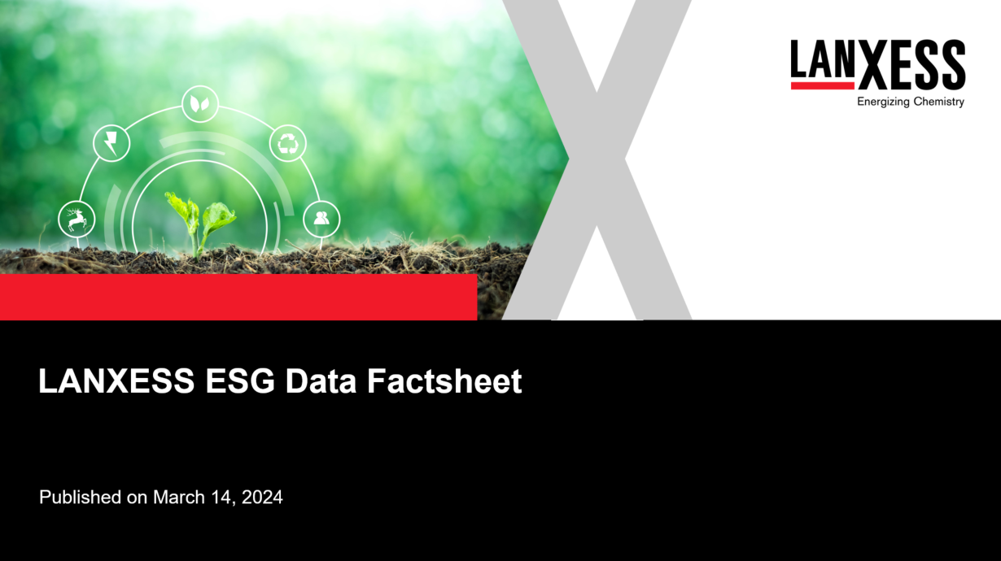

8 Disclaimer
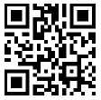
8 Safe Harbor Statement
The information included in this presentation is being provided for informational purposes only and does not constitute an offer to sell, or a solicitation of an offer to purchase, securities of LANXESS AG. No public market exists for the securities of LANXESS AG in the United States. This document contains certain forward-looking statements, including assumptions, opinions, expectations and views of the company or cited from third party sources. Various known and unknown risks, uncertainties and other factors could cause the actual results, financial position, development or performance of LANXESS AG to differ materially from the estimations expressed or implied herein. LANXESS AG does not guarantee that the assumptions underlying such forward-looking statements are free from errors, nor does it accept any responsibility for the future accuracy of the opinions expressed in this presentation or the actual occurrence of the forecast developments. No representation or warranty (expressed or implied) is made as to, and no reliance should be placed on, any information, estimates, targets and opinions contained herein, and no liability whatsoever is accepted as to any errors, omissions or misstatements contained herein, and accordingly, no representative of LANXESS AG or any of its affiliated companies or any of such person's officers, directors or employees accepts any liability whatsoever arising directly or indirectly from the use of this document.

LANXESS AG
Investor Relations
E-Mail: | ir@lanxess.com
Website: | ir.lanxess.com

